Bd1
Date | Ideal Remaining Tasks | Actual Remaining Tasks
2025-09-24 | 200 | 200
2025-09-25 | 196.49 | 192
2025-09-26 | 192.98 | 187
2025-09-27 | 189.47 | 179
2025-09-28 | 185.96 | 172
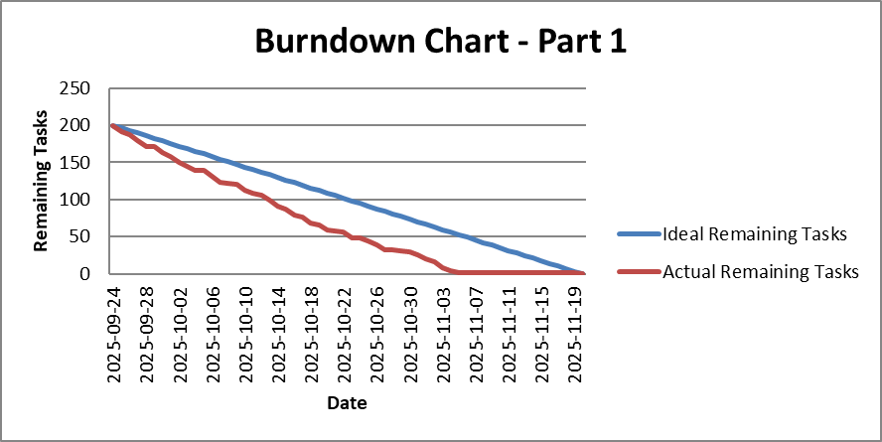
2025-09-29 | 182.46 | 171
2025-09-30 | 178.95 | 163
2025-10-01 | 175.44 | 158
2025-10-02 | 171.93 | 150
2025-10-03 | 168.42 | 144
2025-10-04 | 164.91 | 139
2025-10-05 | 161.4 | 139
2025-10-06 | 157.89 | 131
2025-10-07 | 154.39 | 123
2025-10-08 | 150.88 | 122
2025-10-09 | 147.37 | 120
2025-10-10 | 143.86 | 113
2025-10-11 | 140.35 | 109
2025-10-12 | 136.84 | 106
2025-10-13 | 133.33 | 99
2025-10-14 | 129.82 | 91
2025-10-15 | 126.32 | 87
2025-10-16 | 122.81 | 79
2025-10-17 | 119.3 | 76
2025-10-18 | 115.79 | 69
2025-10-19 | 112.28 | 66
2025-10-20 | 108.77 | 59
2025-10-21 | 105.26 | 58
2025-10-22 | 101.75 | 57
2025-10-23 | 98.25 | 49
2025-10-24 | 94.74 | 49
2025-10-25 | 91.23 | 45
2025-10-26 | 87.72 | 39
2025-10-27 | 84.21 | 32
2025-10-28 | 80.7 | 32
2025-10-29 | 77.19 | 31
2025-10-30 | 73.68 | 30
2025-10-31 | 70.18 | 26
2025-11-01 | 66.67 | 20
2025-11-02 | 63.16 | 16
2025-11-03 | 59.65 | 8
2025-11-04 | 56.14 | 4
2025-11-05 | 52.63 | 2
2025-11-06 | 49.12 | 1
2025-11-07 | 45.61 | 1
2025-11-08 | 42.11 | 1
2025-11-09 | 38.6 | 1
2025-11-10 | 35.09 | 1
2025-11-11 | 31.58 | 1
2025-11-12 | 28.07 | 1
2025-11-13 | 24.56 | 1
2025-11-14 | 21.05 | 1
2025-11-15 | 17.54 | 1
2025-11-16 | 14.04 | 1
2025-11-17 | 10.53 | 1
2025-11-18 | 7.02 | 1
2025-11-19 | 3.51 | 1
2025-11-20 | 0 | 0

bd2
Date | Ideal Remaining Tasks | Actual Remaining Tasks
2025-09-24 | 200 | 193
2025-09-25 | 196.49 | 189
2025-09-26 | 192.98 | 189
2025-09-27 | 189.47 | 184
2025-09-28 | 185.96 | 177
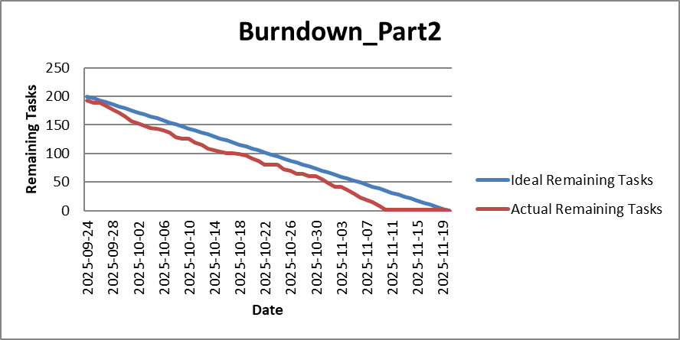
2025-09-29 | 182.46 | 172
2025-09-30 | 178.95 | 165
2025-10-01 | 175.44 | 157
2025-10-02 | 171.93 | 152
2025-10-03 | 168.42 | 148
2025-10-04 | 164.91 | 144
2025-10-05 | 161.4 | 143
2025-10-06 | 157.89 | 141
2025-10-07 | 154.39 | 136
2025-10-08 | 150.88 | 128
2025-10-09 | 147.37 | 126
2025-10-10 | 143.86 | 126
2025-10-11 | 140.35 | 119
2025-10-12 | 136.84 | 115
2025-10-13 | 133.33 | 109
2025-10-14 | 129.82 | 106
2025-10-15 | 126.32 | 103
2025-10-16 | 122.81 | 100
2025-10-17 | 119.3 | 100
2025-10-18 | 115.79 | 99
2025-10-19 | 112.28 | 96
2025-10-20 | 108.77 | 91
2025-10-21 | 105.26 | 87
2025-10-22 | 101.75 | 81
2025-10-23 | 98.25 | 80
2025-10-24 | 94.74 | 80
2025-10-25 | 91.23 | 73
2025-10-26 | 87.72 | 70
2025-10-27 | 84.21 | 65
2025-10-28 | 80.7 | 65
2025-10-29 | 77.19 | 61
2025-10-30 | 73.68 | 61
2025-10-31 | 70.18 | 55
2025-11-01 | 66.67 | 49
2025-11-02 | 63.16 | 42
2025-11-03 | 59.65 | 42
2025-11-04 | 56.14 | 37
2025-11-05 | 52.63 | 30
2025-11-06 | 49.12 | 23
2025-11-07 | 45.61 | 19
2025-11-08 | 42.11 | 15
2025-11-09 | 38.6 | 8
2025-11-10 | 35.09 | 1
2025-11-11 | 31.58 | 1
2025-11-12 | 28.07 | 1
2025-11-13 | 24.56 | 1
2025-11-14 | 21.05 | 1
2025-11-15 | 17.54 | 1
2025-11-16 | 14.04 | 1
2025-11-17 | 10.53 | 1
2025-11-18 | 7.02 | 1
2025-11-19 | 3.51 | 1
2025-11-20 | 0 | 0

Bd3
Date | Ideal Remaining Tasks | Actual Remaining Tasks
2025-12-01 | 200 | 194
2025-12-02 | 196.97 | 186
2025-12-03 | 193.94 | 180
2025-12-04 | 190.91 | 173
2025-12-05 | 187.88 | 173
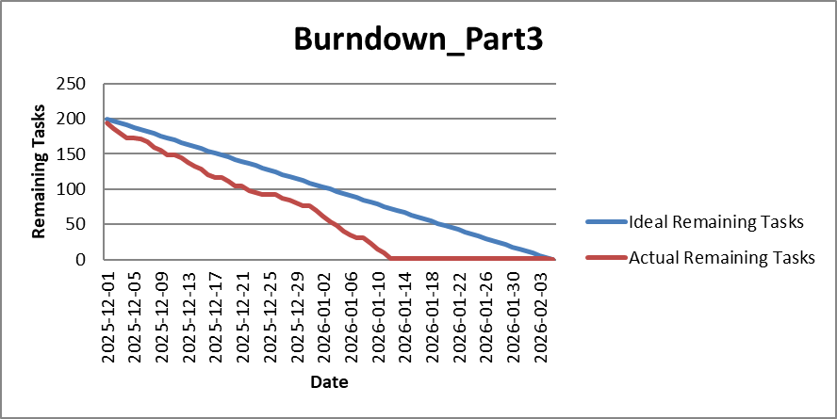
2025-12-06 | 184.85 | 171
2025-12-07 | 181.82 | 168
2025-12-08 | 178.79 | 160
2025-12-09 | 175.76 | 155
2025-12-10 | 172.73 | 149
2025-12-11 | 169.7 | 148
2025-12-12 | 166.67 | 144
2025-12-13 | 163.64 | 138
2025-12-14 | 160.61 | 133
2025-12-15 | 157.58 | 128
2025-12-16 | 154.55 | 121
2025-12-17 | 151.52 | 116
2025-12-18 | 148.48 | 116
2025-12-19 | 145.45 | 111
2025-12-20 | 142.42 | 105
2025-12-21 | 139.39 | 105
2025-12-22 | 136.36 | 98
2025-12-23 | 133.33 | 95
2025-12-24 | 130.3 | 92
2025-12-25 | 127.27 | 92
2025-12-26 | 124.24 | 92
2025-12-27 | 121.21 | 87
2025-12-28 | 118.18 | 85
2025-12-29 | 115.15 | 81
2025-12-30 | 112.12 | 77
2025-12-31 | 109.09 | 76
2026-01-01 | 106.06 | 70
2026-01-02 | 103.03 | 62
2026-01-03 | 100 | 54
2026-01-04 | 96.97 | 48
2026-01-05 | 93.94 | 40
2026-01-06 | 90.91 | 35
2026-01-07 | 87.88 | 31
2026-01-08 | 84.85 | 31
2026-01-09 | 81.82 | 23
2026-01-10 | 78.79 | 15
2026-01-11 | 75.76 | 9
2026-01-12 | 72.73 | 1
2026-01-13 | 69.7 | 1
2026-01-14 | 66.67 | 1
2026-01-15 | 63.64 | 1
2026-01-16 | 60.61 | 1
2026-01-17 | 57.58 | 1
2026-01-18 | 54.55 | 1
2026-01-19 | 51.52 | 1
2026-01-20 | 48.48 | 1
2026-01-21 | 45.45 | 1
2026-01-22 | 42.42 | 1
2026-01-23 | 39.39 | 1
2026-01-24 | 36.36 | 1
2026-01-25 | 33.33 | 1
2026-01-26 | 30.3 | 1
2026-01-27 | 27.27 | 1
2026-01-28 | 24.24 | 1
2026-01-29 | 21.21 | 1
2026-01-30 | 18.18 | 1
2026-01-31 | 15.15 | 1
2026-02-01 | 12.12 | 1
2026-02-02 | 9.09 | 1
2026-02-03 | 6.06 | 1
2026-02-04 | 3.03 | 1
2026-02-05 | 0 | 0

